Definitions
What You Need to Know
It is not unusual that more people die in the winter than in the summer in Northern Ireland. These tables and charts presents provisional figures for excess winter mortality (EWM) and the excess winter mortality index (EWMI) in Northern Ireland for the winter period 2019/2020. Historical trends from 1980/1981 onwards are also provided for comparison. Provisional figures are presented by sex, age, cause of death and geographical area. All figures are based on death occurrences (the date on which a death occurred) rather than death registrations (the date on which a death was registered) in order to more accurately assign the death to the appropriate season to reduce any influence of registration delay.
However, because the figures are occurrence-based, this means data could be incomplete because of registration delays. These figures are therefore provisional and the series will be revised each year to take account of late registrations. These revisions will be largest for the most recent year. Figures are also rounded to the nearest ten which helps account for differences in the numbers of days in non-winter/ winter periods in different years .
Figures by underlying cause (e.g. Covid-19) presented in this report will differ from those previously published as registered up to 30th June 2020, as they are occurrence‑based and include deaths up to and including 31st July 2020. (see https://www.nisra.gov.uk/sites/nisra.gov.uk/files/publications/Tables_2020Q2%20-%20revised.xls for further details).
EWM and the EWMI are both mathematical concepts; it is therefore not possible to identify if an individual death was an excess winter death. Equally, deaths can be attributed to specific causes (circulatory, respiratory etc.), yet cannot be automatically classed as excess deaths.
The following outlines the calculations used to create EWM.
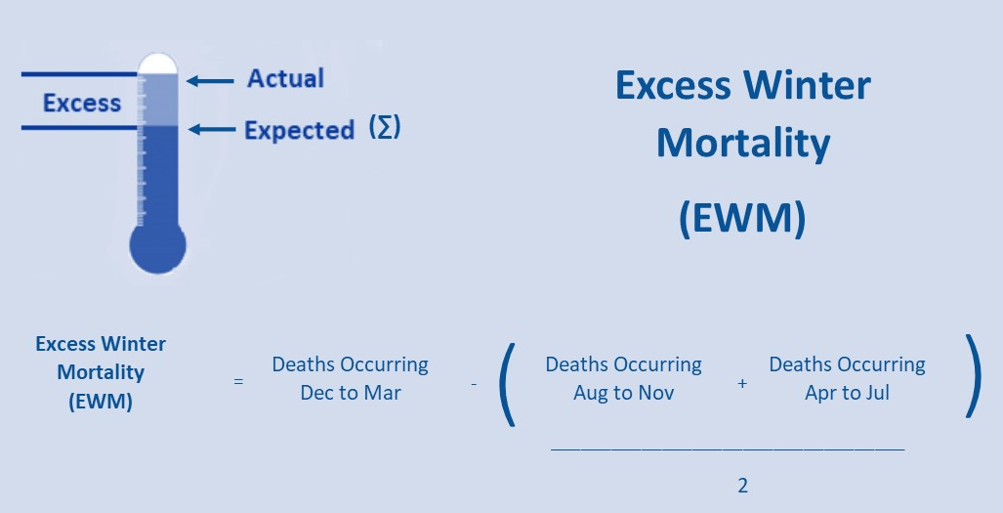
The Excess Winter Mortality Index (EWMI) is calculated as EWM divided by the average non-winter deaths expressed as a percentage. The EWMI is calculated separately for each population subgroup to enable comparisons between sexes, age groups and areas. The EWMI shows the percentage of extra deaths that occurred in the winter and is reported to one decimal place.
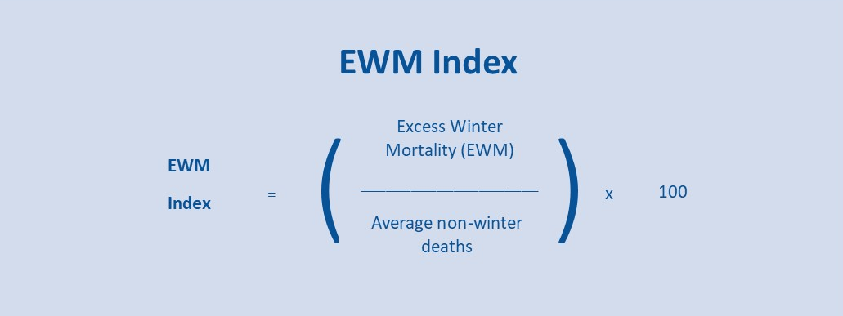
Differences between EWM and Excess Mortality Estimates
NISRA published Excess Mortality and Covid-19 Related Deaths in Northern Ireland March to June 2020 on 28th July 2020. Estimates in that report are based on estimates of Excess Mortality, the difference between actual deaths in 2020 and the expected number of deaths in this period based on the average number of deaths observed in the same period over the previous five years. This measure is distinctly different from Excess Winter Mortality, which is a measure of seasonality within a 12-month period.
Excess Mortality is defined as:
Actual total Deaths from all causes - Average number of total deaths for the same period over the last 5 years

Chart1
Deaths before, during and after winter 2020/21
After (Arp-Jul) | 4,759
Winter (Dec-Mar) | 6,340
Before (Aug-Nov) | 5,685

Chart2
Deaths (excluding deaths from Covid-19) before, during and after winter 2020/21
After (Arp-Jul) | 4,672
Winter (Dec-Mar) | 5,106
Before (Aug-Nov) | 5,140

Chart3
Excess Winter Mortality and 5-Year Central Moving Average, Northern Ireland, 1980/81 to 2020/21
 | Five Year Moving Average | Excess Winter Deaths
1980/81 |  | 880
1981/82 |  | 1,330
1982/83 | 1,087 | 1,320
1983/84 | 1,192 | 810
1984/85 | 1,044 | 1,100
1985/86 | 948 | 1,400
1986/87 | 900 | 590
1987/88 | 1,061 | 840
1988/89 | 1,014 | 570
1989/90 | 1,091 | 1,900
1990/91 | 997 | 1,170
1991/92 | 1,009 | 970
1992/93 | 782 | 370
1993/94 | 764 | 630
1994/95 | 750 | 770
1995/96 | 827 | 1,080
1996/97 | 978 | 900
1997/98 | 1,115 | 760
1998/99 | 1,016 | 1,380
1999/00 | 934 | 1,450
2000/01 | 888 | 590
2001/02 | 692 | 490
2002/03 | 512 | 530
2003/04 | 508 | 400
2004/05 | 550 | 550
2005/06 | 618 | 570
2006/07 | 733 | 700
2007/08 | 791 | 860
2008/09 | 791 | 980
2009/10 | 769 | 840
2010/11 | 766 | 570
2011/12 | 704 | 600
2012/13 | 718 | 850
2013/14 | 748 | 660
2014/15 | 834 | 910
2015/16 | 987 | 720
2016/17 | 966 | 1,020
2017/18 | 889 | 1,620
2018/19 | 968 | 560
2019/20 |  | 530
2020/21 |  | 1,120

Chart 4
Excess Winter Mortality by Cause of Death, Northern Ireland, 2020/21
 | Excess Winter Mortality (EWM)
Covid-19 (U07 and U10.9) | 920
Dementia/Alzheimers Disease (F01, F03, G30) | 110
Respiratory Disease (J00-J99) | -2
Circulatory Disease (I00-I99) | 80

Chart 5
Excess Winter Mortality Index, Northern Ireland, 1980/81 to 2020/21
 | Excess Winter Mortality Index
1980/81 | 17.0
1981/82 | 26.8
1982/83 | 27.0
1983/84 | 16.2
1984/85 | 22.6
1985/86 | 28.4
1986/87 | 12.0
1987/88 | 16.7
1988/89 | 11.6
1989/90 | 40.1
1990/91 | 24.7
1991/92 | 21.1
1992/93 | 7.6
1993/94 | 12.4
1994/95 | 16.0
1995/96 | 22.7
1996/97 | 19.0
1997/98 | 15.7
1998/99 | 29.0
1999/00 | 31.3
2000/01 | 12.8
2001/02 | 10.6
2002/03 | 11.2
2003/04 | 8.3
2004/05 | 12.0
2005/06 | 12.4
2006/07 | 15.3
2007/08 | 19.0
2008/09 | 21.6
2009/10 | 19.2
2010/11 | 12.4
2011/12 | 12.9
2012/13 | 17.9
2013/14 | 14.5
2014/15 | 18.6
2015/16 | 14.8
2016/17 | 20.7
2017/18 | 33.0
2018/19 | 11.3
2019/20 | 9.8
2020/21 | 21.4

Chart 6
EXCESS Winter Deaths by sex, Northern Ireland, 2020/21
Males | 520
Females | 600

Chart 7
Excess Winter Mortality Index by Age Group, Northern Ireland, 2016/17 to 2020/21
 | All Ages | 0-64 | 65-74 | 75-84 | 85+
2016/17 | 20.7 | 6.1 | 8.2 | 22.9 | 33.5
2017/18 | 33.0 | 13.7 | 25.2 | 32.6 | 47.6
2018/19 | 11.3 | 12.2 | 10.3 | 9.1 | 13.1
2019/20 | 9.8 | 7.2 | 12.1 | 13.7 | 6.9
2020/21 | 21.4 | 16.7 | 12.2 | 24.9 | 25.3

Chart8
Excess Winter Mortality Index by Health & Social Care Trust, Northern Ireland, 2020/21
Belfast HSCT | 7.7
Western HSCT | 13.5
South Eastern HSCT | 13.6
Northern HSCT | 30.0
Southern HSCT | 41.4

Chart 9
Excess Winter Mortality Index by Local Government District, Northern Ireland, 2020/21
Ards & North Down | 7.3
Derry City & Strabane | 8.6
Belfast | 10.1
Lisburn & Castlereagh | 13.3
Causeway Coast & Glens | 17.1
Fermanagh & Omagh | 21.6
Antrim & Newtownabbey | 29.5
Newry, Mourne & Down | 31.0
Armagh City, Banbridge & Craigavon | 34.0
Mid & East Antrim | 37.6
Mid Ulster | 44.0

