Contact
Statistical Theme: | People and Places | Year of Data: | 2011-2019
Data Subset: | Tourism
Dataset Title: | Local Government District Tourism Statistics Microdata
Coverage: | Local Government Districts (Northern Ireland)
Source: | Tourism Statistics (NISRA)
Responsible Statistician: | Mrs Joanne Henderson
 | 028 9025 5163
 | joanne.henderson@nisra.gov.uk
 | tourismstatistics@nisra.gov.uk
Address: | NISRA Tourism Statistics and Staff Surveys Branch
(currently staff are working from home, so an email may receive the quickest response) | Colby House
 | Stranmillis Court
 | BELFAST
 | BT9 5RR
National Statistics Data? |  Yes
Publication Date: | 2020-11-19

Media Enquiries: | DfE Communications Office
(currently staff are working from home, so an email may receive the quickest response) | Netherleigh, Massey Avenue
 | BELFAST
 | BT4 2JP
 | Telephone: 028 9052 9604
 | pressoffice@economy-ni.gov.uk

Link to Contents

Contents

Contents

 | (Pivot Table) Overnight trips by reason for visit (3 year rolling average)

 | (Pivot Table) Overnight trips by place of origin (3 year rolling average)

 | (Pivot Table) Overnight trips by external visitors

 | (Pivot Table) All overnight trips

 | (Microdata) Overnight trips - reason for visit (3 year rolling average)

 | (Microdata) Overnight trips by place of origin (3 year rolling average)

 | (Microdata) Overnight trips by external visitors

 | (Microdata) Overnight trips

 | Notes and contact details

 | User guide

 | Background notes

 | Contact

User Guide
Contents Page
Tourism microdata user guide

Introduction

This microdata set provides data on overnight trips taken in Northern Ireland from 2011-2018
The variables which are included in this data set are:

'Year' - 2011,2012,2013, 2014, 2015, 2016, 2017, 2018
'3 year rolling average' - 2011-2013, 2013-2015, 2014-2016, 2015-2017, 2016-2018
'Origin' - place of origin of respondent (GB, RoI, NI and 'outside UK and RoI')
'Local Government District' - Destination in NI of the respondent (Out of 11 LGDs)
'Reason'- Reason for the Overnight Trip (Holiday, VFR=Visiting Friends and Relatives, Business, Other)
'Trips'- weighted number of overnight trips
'Nights'- weighted number of nights taken during the trip
'Spend'- Expenditure during the overnight trips

The images below demonstrates how this data included in the tables can be manipulated using pivot tables. (Based on Microsoft Office Excel 2007)

Tab: Place of Origin | Tab: Detailed Place of Origin
By selecting the drop down arrow beside 'Row Labels' you are able to select in and out which time periods, Origins, and LGDs you would like to see.
.
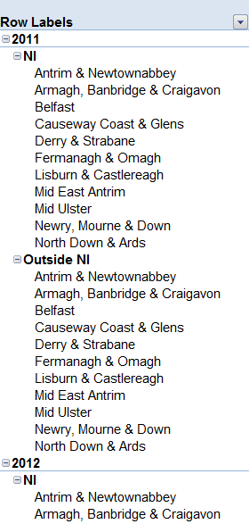
Some tables have a drop down arrow beside 'Column Labels. By selecting this drop down arrow' in this table you are able to select in and out the Place of Origin.
1.
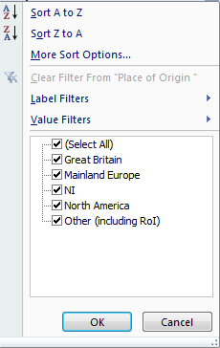
2.

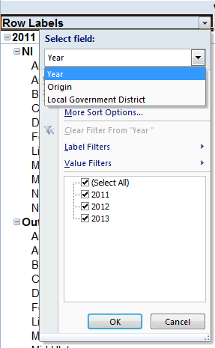

Creating Pivot Tables from Microdata tabs:
The Microdata tabs ('Microdata Reason (3yr av)' and 'Microdata Origin Detailed 3 yr') are not in pivot table format, though these can be created by using the Pivot Table functions.

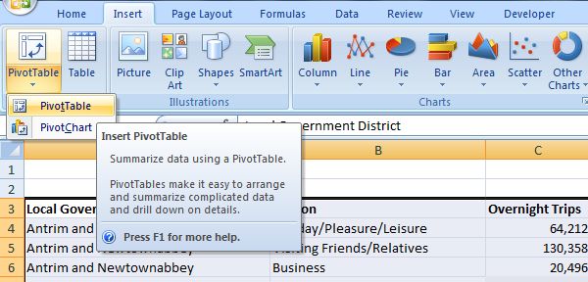

Under the 'Insert' menu the option to Insert PivotTable can be selected by clicking the PivotTable button. The table can be placed into Excel as a New Worksheet.
3.

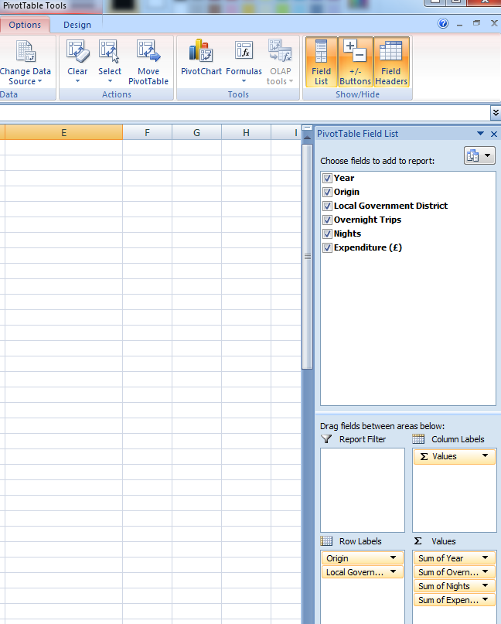

When the new Worksheet opens, PivotTable Tools and Options will be visible.
A PivotTable Field List will also open which can be used to select the data and the format for the pivot table. The field list can be used to customise the table as desired.

Contents Page

Background Notes
Contents
Background notes
1. This report presents a summary of tourism statistics by Local Government Districts (LGD). Tourism data is derived from a variety of sources, more information on these sources can also be found at this link. Information on the data quality, revisions can be accessed at this link

2. The production of tourism statistics is conducted in line with the UK Statistics Authority Code of Practice for Official Statistics. This means that the statistics
a. meet identified user needs,
b. are well explained and readily accessible,
c. are produced according to sound methods, and
d. are managed impartially and objectively in the public interest

3. NISRA uses the Survey of Overseas Travellers run by Fáilte Ireland to gain information on the overnight trips to Northern Ireland who exit through Republic of Ireland ports.

4. The 2018 Northern Ireland tourism statistics showed there were 5.0 million overnight trips in Northern Ireland, this figure is lower than the ‘all LGD’ total (5.1 million). The LGD figure is higher as extrernal visitors may report spending time in various locations during the one overnight trip to NI. For example, if someone stayed two nights in Belfast followed by three nights in the Causeway Coast and Glens, this would be counted as one trip to Northern Ireland in the annual estimates and one trip to Belfast and one to Causeway Coast and Glens (two trips) in the LGD breakdown.

5. NISRA uses the Northern Ireland Passenger Survey to apportion the Survey of Overseas Travellers (background note 4) by Local Government District. Similarly, it uses the Continuous Household Survey to apportion the Household Travel Survey results (the HTS is carried out by Central Statistics Office to gather information on Republic of Ireland residents who overnight in Northern Ireland). The Reason for Visit results for each of these sources was applied to each of these LGD estimates.

6. Due to the nature of household surveys in Northern Ireland, users should be aware that statistics on overnight trips in Northern Ireland of Northern Ireland residents aged under 16 are excluded.

7. Tourism estimates are designed to provide timely data on tourism activity in Northern Ireland. The estimates may be subject to revision due to improvements to the survey/analysis methodology or the inclusion of data returned after the publication date. The figures in this document are the most up-to-date available at the time of publication. Northern Ireland Tourism statistics have undergone a series of organisational changes and revisions to methodology. An overview and explanation of any resultant breaks and the implications can be found at this link .

8. While the statistics are produced in as timely a way as possible, it is realised that early indicators would be useful. Early tourism indicators are published at this link and are updated monthly.

9. The estimates on visitor numbers, nights and spend in this bulletin are derived from sample surveys and are therefore subject to sampling errors. Sampling errors are determined both by the sample design and by the sample size. Generally speaking, the larger the sample supporting a particular estimate, the smaller the associated sampling error. Confidence intervals around the estimates of all overnight trips in Northern Ireland in 2018 stands at +/- 4% for the year (associated expenditure at +/- 5%). Note: based on the survey design confidence intervals for domestic tourism trips stands at +/-7% and external trips at +/-4%. Information on confidence intervals in Northern Ireland tourism statistics can be accessed at this link.

10. This report includes estimates from Business Register & Employment Survey (BRES) on the number of jobs in ‘tourism characteristic industries’. The latest tourism characteristic industries breakdown available is for 2017 as the BRES only has a sufficient sample size to provide this breakdown every two years. More information on the BRES, the timing of the release of 2017 data and the associated methodology can be accessed at this link.

11. The vast majority of cruise ships visit Northern Ireland on a single day basis, docking in the morning and then leaving in the evening. Thus under UN definitions cruise ship visits are considered day-trips and excluded from the overnight trips figures outlined in section 1. To address this statistics from Visit Belfast, Cruise North West and Newry & Mourne Council relating to Warrenpoint port are included. Cruise ships can also drop anchor and tender passengers ashore at other parts of Northern Ireland (Bangor & Portrush) – statistics from these visits are not included in this report due to data availability issues.

12. Follow NISRA on Twitter and Facebook.

Household Travel Survey 2018 data quality issue
This publication contains data from the 2018 Household Travel Survey (HTS), provided by Central Statistics Office (CSO) and relates to the number of visitors coming to Northern Ireland from the Republic of Ireland. In 2018 the HTS was suspended due to quality issues in the collected data. Against a backdrop of falling response rates, it was observed that there was a non-response issue affecting the survey estimates in 2018. In order to address the non-response bias in the 2018 HTS sample the CSO has adjusted the weights of respondents within the sample design, for all four quarters of 2018.
Following quality checks on the methodology change and the data itself, NISRA feel the data provided by CSO is of suitable quality to report on. We ask users to be aware there is potential for future revision, but we don’t feel this is likely to change the overall message of the publication or the key statistics.
A report containing full details of the issues in the HTS, and the interim solution, is available on the CSO website and can be accessed here**
If a future revision occurs we will make users aware of any impact on the statistics in this publication.

