Figure 1a
Contents
Figure 1a Overnight Trips by Local Government District (thousands), 2016

 |  | Trips (2016)
 | Armagh City, Banbridge and Craigavon | 145
 | Lisburn and Castlereagh | 170
 | Mid Ulster | 179
 | Antrim and Newtownabbey | 218
 | Derry City and Strabane | 283
 | Ards and North Down | 283
 | Mid and East Antrim | 302
 | Fermanagh and Omagh | 305
 | Newry, Mourne and Down | 571
 | Causeway Coast and Glens | 810
 | Belfast | 1,460

Figure 1b
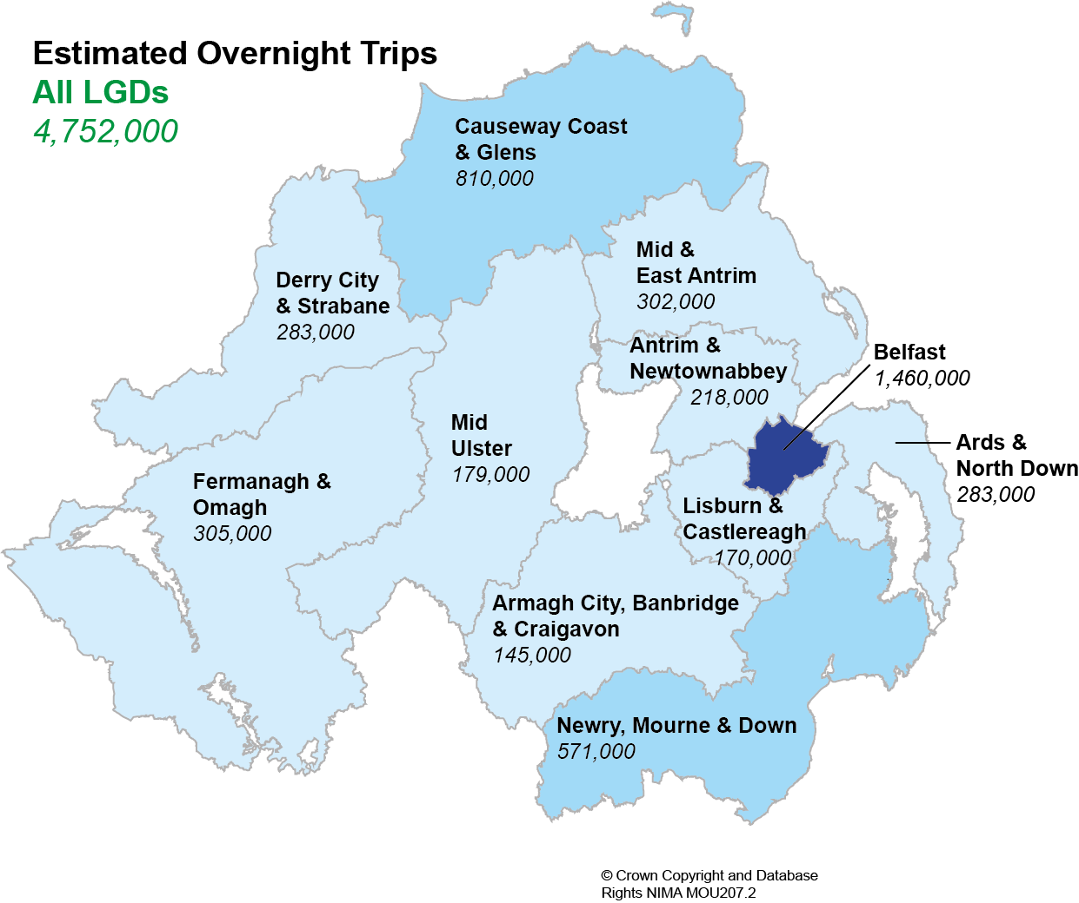
Contents
Figure 1b Map of 2016 overnight trips by Local Government District

Figure 2a
Contents
Figure 2a Overnight Trips per head of the population, 2016

 |  | Per Head
 | Armagh City, Banbridge and Craigavon | 0.7 | 2.6
 | Lisburn and Castlereagh | 1.2 | 2.6
 | Mid Ulster | 1.2 | 2.6
 | Antrim and Newtownabbey | 1.6 | 2.6
 | Ards and North Down | 1.8 | 2.6
 | Derry City and Strabane | 1.9 | 2.6
 | Mid and East Antrim | 2.2 | 2.6
 | Fermanagh and Omagh | 2.6 | 2.6
 | Newry, Mourne and Down | 3.2 | 2.6
 | Belfast | 4.3 | 2.6
 | Causeway Coast and Glens | 5.7 | 2.6

Northern Ireland 2.6

Figure 3a
Contents
Figure 3a Expenditure (£ million) on Overnight Trips by Local Government District, 2016

 |  | Expenditure (£M)
 | Armagh City, Banbridge and Craigavon | 26
 | Lisburn and Castlereagh | 27
 | Mid Ulster | 30
 | Antrim and Newtownabbey | 38
 | Ards and North Down | 46
 | Mid and East Antrim | 46
 | Derry City and Strabane | 50
 | Fermanagh and Omagh | 54
 | Newry, Mourne and Down | 61
 | Causeway Coast and Glens | 138
 | Belfast | 334

Northern Ireland £851 million

Figure 3b
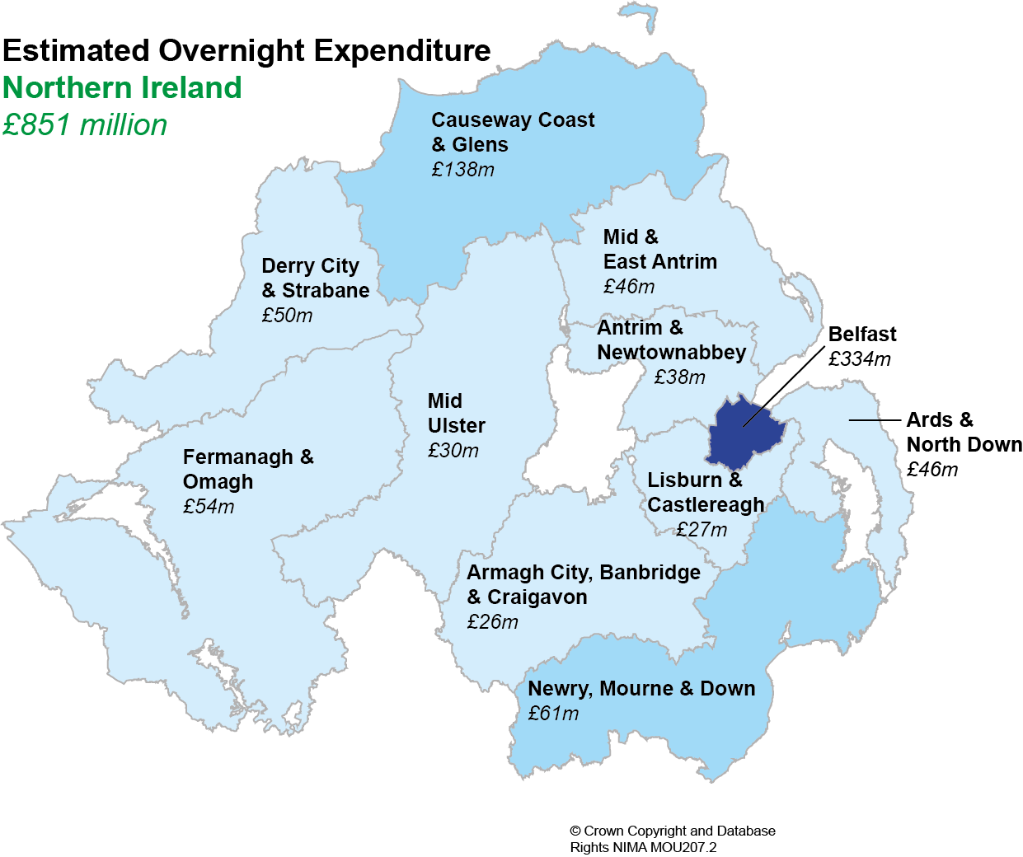
Contents
Figure 3b Map of expenditure on Overnight Trips by Local Government District, 2016

Figures 4a-4c
Contents
Figures 4a-c: Reason for Overnight Trip in Northern Ireland within Local Government District (3 year rolling average 2014-2016)
4a. Holiday/Pleasure/Leisure

 |  | Holiday/ Leisure/ Pleasure | NI Average | Visiting Friends /Relatives | NI Average | Business | NI Average
 | Antrim & Newtownabbey | 32% | 47% | 49% | 40% | 16% | 9%
 | Ards & North Down | 42% | 47% | 46% | 40% | 4% | 9%
NI 47%
 | Armagh City, Banbridge & Craigavon | 20% | 47% | 72% | 40% | 6% | 9%
 | Belfast | 44% | 47% | 37% | 40% | 16% | 9%
 | Causeway Coast & Glens | 73% | 47% | 20% | 40% | 4% | 9%
 | Derry City & Strabane | 30% | 47% | 53% | 40% | 11% | 9%
 | Fermanagh & Omagh | 46% | 47% | 44% | 40% | 7% | 9%
 | Lisburn & Castlereagh | 27% | 47% | 59% | 40% | 13% | 9%
 | Mid & East Antrim | 42% | 47% | 49% | 40% | 4% | 9%
 | Mid Ulster | 28% | 47% | 65% | 40% | 5% | 9%
 | Newry, Mourne & Down | 51% | 47% | 41% | 40% | 3% | 9%
 | Northern Ireland | 47% | 47% | 40% | 40% | 9% | 9%

4b. Visiting Friends / Relatives

NI 40%

4c. Business

NI 9%

Figure 5a
Contents
Figure 5a: Number of Rooms available in Licensed Accommodation by Accommodation Type and Local Government District, 2016

 | Other (5,100) | Self Catering (6,849) | Bed&Breakfasts, Guesthouses and Guest Accommodation (3,158) | Hotel (7,916)
Lisburn and Castlereagh (475) | 0 | 114 | 106 | 255
Armagh City, Banbridge and Craigavon (507) | 31 | 110 | 160 | 206
Mid Ulster (535) | 0 | 158 | 139 | 238
Ards and North Down (900) | 71 | 321 | 209 | 299
Mid and East Antrim (980) | 144 | 186 | 158 | 492
Northern Ireland (23,023 rooms)
Derry City and Strabane (1,767) | 588 | 254 | 235 | 690
Fermanagh and Omagh (1,793) | 53 | 906 | 419 | 415
Newry, Mourne and Down (1,848) | 167 | 668 | 483 | 530
Antrim and Newtownabbey (2,430) | 1539 | 149 | 111 | 631
Causeway Coast and Glens (5,358) | 474 | 3332 | 829 | 723
Belfast (6,430) | 2033 | 651 | 309 | 3437

Figure 5b
Contents
Figure 5b Rooms Sold in Northern Ireland Hotels, 2016

Northern Ireland (2,016,024)
 |  | Rooms Sold
 | Armagh City, Banbridge and Craigavon | 39879
 | Mid Ulster | 47412
 | Ards and North Down | 67789
 | Fermanagh and Omagh | 96718
 | Mid and East Antrim | 118001
 | Newry, Mourne and Down | 120495
 | Antrim and Newtownabbey | 149486
 | Derry City and Strabane | 165411
 | Causeway Coast and Glens | 169845
 | Belfast | 991263

Lisburn & Castlereagh sample size too small to provide a reliable estimate.

Figure 6a
Contents
Figure 6a: Top 10 Visitor Attractions*, 2016
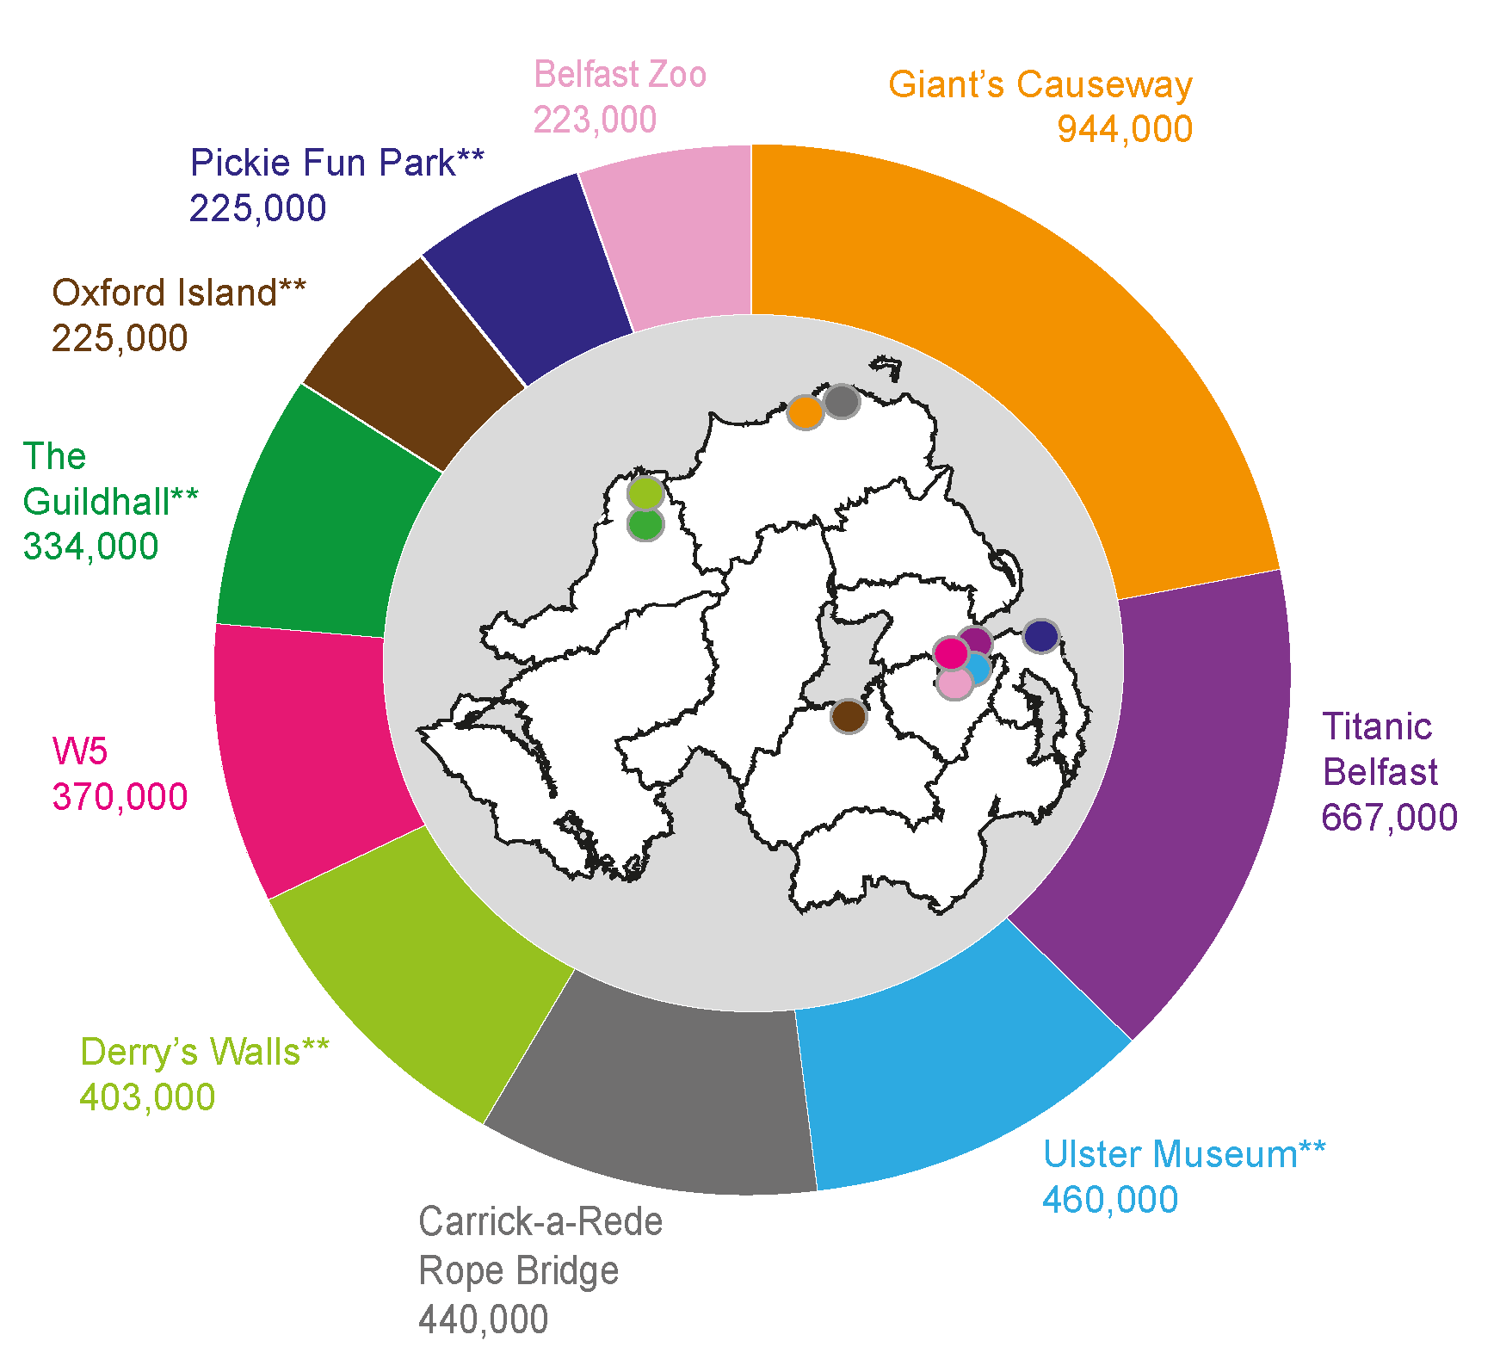

@ Crown Copyright and Database Rights NIMA MOU207.2

*excludes country parks/parks/forests/gardens
**figures based on estimates

Figure 7a
Contents
Figure 7a: Employee Jobs in Tourism Characteristic Industries in Local Government Districts 2015

 |  | Tourism Jobs
 | Mid Ulster | 3,489
 | Fermanagh & Omagh | 3,524
 | Lisburn & Castlereagh | 3,806
 | Mid & East Antrim | 3,959
 | Antrim & Newtownabbey | 4,197
 | Armagh City, Banbridge & Craigavon | 4,266
 | Derry City & Strabane | 4,685
 | Causeway Coast & Glens | 4,823
 | Newry, Mourne & Down | 4,953
 | Ards & North Down | 4,954
 | Belfast | 18,607

Figure 8a
Contents
Figure 8a: Total cruise ship numbers and passengers onboard docking at NI ports (2011-2016)
 | Belfast | Londonderry | Other
2011 | 57660
2012 | 70116 | 4789
2013 | 102683 | 1757
2014 | 115659 | 4044 | 450
2015 | 116392 | 5373 | 1212
2016 | 144002 | 5288 | 2227

1 ship
 | Belfast | Belfast | Londonderry | Londonderry | Other | Other
 | ships | onboard | ships | onboard | ships | onboard
2011 | 32 | 57660 | 0 | 0 |  |  | 32 | 57660
2012 | 45 | 70116 | 8 | 4789 |  |  | 53 | 74905
2013 | 57 | 102683 | 5 | 1757 |  |  | 62 | 104440
5 ships
2014 | 63 | 115659 | 5 | 4044 | 1 | 450 | 69 | 120153
5 ships
2015 | 58 | 116392 | 6 | 5373 | 3 | 1212 | 67 | 122977

8 ships
63 ships
 | 2011 | 2012 | 2013 | 2014 | 2015 | 2016
Belfast | 57660 | 70116 | 102683 | 115659 | 116392 | 144002
Londonderry |  | 4789 | 1757 | 4044 | 5373 | 5288
57 ships
Other |  |  |  | 450 | 1212 | 2227

45 ships
32 ships

