Contents

 | Northern Ireland Air Passenger Flow
 | NISRA: June 2018
Contents

 | Table 1 | Total air Passenger Flow (UK and RoI Airports)
 | Table 2 | Northern Ireland resident air passenger flow at NI and RoI airports
 | Table 3 | Total air Passenger flow from Northern Ireland and Republic of Ireland Airports by year and place of residence
 | Table 4 | Total air passenger flow by flight pairing (NI Airport - Elsewhere)
 | Table 5 | Total air passengers by flight pairing (RoI Airport - Elsewhere)
 | Table 6 | Total air passenger flow by flight pairing (UK Airports-Elsewhere) (International)
 | Table 7 | Total air passenger flow by flight pairing (UK Airport-UK Airport)
 | Table 8a+b | NI resident air passenger flow by Airport and LGD of residence (experimental)
 | Table 9a | NI resident air passenger flow by Final Destination and Airport (experimental)
 | Table 9b | NI resident air passenger flow by Airport and Final Destination (experimental)
 | Table 10 | NI resident air passenger flow by Airport and Reason for the Trip (experimental)

Notes
Further Information/Contacts

Methodology

Sources: Civil Aviation Authority, Airports Pairing Information (CSO), Northern Ireland Passenger Survey (NISRA), Continuous Household Survey (NISRA), Country of Residence Survey (CSO)

Note: Air Passenger Flow relates to an estimate of passengers both IN and OUT - these figures should not be doubled up. To give an estimate on the number of individuals, they may be halved. However, it's important to note that a person may take more than one flight

Methodology
< contents page
< Further information

Methodology
This document contains information from a number of sources. Summaries on the methodology of these and links to more information can be found below.

Air Passenger Flow
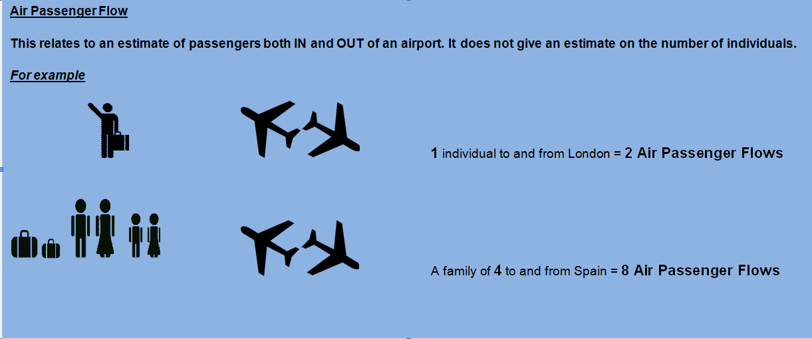

Civil Aviation Authority
Tables used in: 1, 2, 4, 6, 7
Further information can be found at
http://www.caa.co.uk/default.aspx?catid=80&pagetype=88&pageid=3&sglid=3
Summary methodology: Airlines provide the origin and destination of passengers to the Authority
Definitions
Passengers: All revenue and non revenue passengers on air transport movement flights
Terminal Pasengers: is a passenger joining or leaving an aircraft at the reporting airport. A passenger travelling between two reporting airports is counted twice, once at each airport. A passenger who changes from one aircraft to another, carrying the same flight number (change of gauge) is treated as a terminal passenger, as is an interlining passenger.
Transit Passenger: is a passenger who arrives and departs from a reporting airport on the same aircraft which is transiting the airport. Each transit passenger is counted once only and not both on arrival and departure.
Please note that UK domestic passenger traffic is reported at both airports. Therefore, for example someone travelling from Heathrow to Edinburgh will be recorded twice. Any domestic passenger totals therefore overstate the actual number of passengers. Totals reported by airports over a given airport pair are not necessarily the same.

Irish Airports Pairing (CSO)
Tables used in: 1, 2, 5
Futher information can be found at
http://www.cso.ie/px/pxeirestat/Statire/SelectVarVal/Define.asp?maintable=ctm01
CTM01: Passenger Movement by Irish Airport, Direction, Foreign Airport and Month
Summary methodology: Airlines provide the origin and destination of passengers to the CSO
Source: data is provided by the following Airports : Donegal, Dublin, Galway, Kerry County, Knock, Cork, Shannon, Sligo and Waterford

Country of Residence Survey
Tables used in: 2
Further information can be found at
http://www.cso.ie/en/surveysandmethodology/tourismandtravel/countryofresidencesurveycrs/
Summary methodology: One in five passengers on a selected shift both arriving and departing air or sea port in the Republic of Ireland are asked 'what is your country of residence'. The results are grossed up to the airlines data

Northern Ireland Passenger Survey
Tables used in: 2, 3
Futher information can be found at
https://www.nisra.gov.uk/publications/ni-passenger-survey-survey-and-analysis-methodology
Summary methodology: One in five passengers on a selected shift departing the air or sea port in Northern Ireland are asked for Country of Residence. These results are grossed up to CAA figures.
One in twenty visitors on a selected shift departing the air or sea ports in Northern Ireland were also asked questions regarding their onward journey (to find their final destination)

Continuous Household Survey
Tables used in: 8, 9, 10a, 10b, 11
http://www.csu.nisra.gov.uk/survey.asp28.htm
Summary methodology: Random sample of 4,500 addresses in Northern Ireland. All adults (aged 16+) within these households are invited to participate. The adults were asked how many times they had flown from NI or RoI airport in last 12 months, which airport did they fly from, why that airport, where were they flying to and the purpose of the trip

Last updated: 07/06/2018

< contents page
< Further information

