User Guide
Contents Page
Tourism microdata user guide

Introduction

This microdata set provides data on overnight trips taken in Northern Ireland from 2011-2017
The variables which are included in this data set are:

'Year' - 2011,2012,2013, 2014, 2015, 2016, 2017
'3 year rolling average' - 2011-2013, 2013-2015, 2014-2016, 2015-2017
'Origin' - place of origin of respondent (GB, RoI, NI and 'outside UK and RoI')
'Local Government District' - Destination in NI of the respondent (Out of 11 LGDs)
'Reason'- Reason for the Overnight Trip (Holiday, VFR=Visiting Friends and Relatives, Business, Other)
'Trips'- weighted number of overnight trips
'Nights'- weighted number of nights taken during the trip
'Spend'- Expenditure during the overnight trips

The images below demonstrates how this data included in the tables can be manipulated using pivot tables. (Based on Microsoft Office Excel 2007)

Tab: Place of Origin | Tab: Detailed Place of Origin
By selecting the drop down arrow beside 'Row Labels' you are able to select in and out which time periods, Origins, and LGDs you would like to see.
.
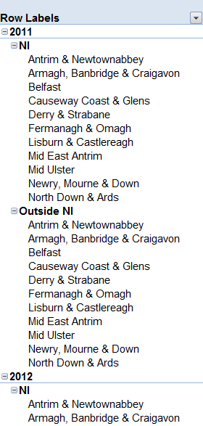
Some tables have a drop down arrow beside 'Column Labels. By selecting this drop down arrow' in this table you are able to select in and out the Place of Origin.
1.
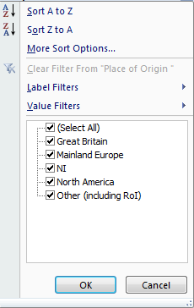
2.

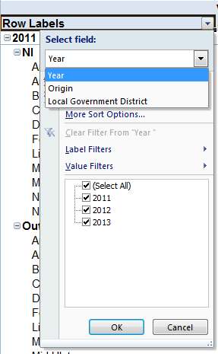

Creating Pivot Tables from Microdata tabs:
The Microdata tabs ('Microdata Reason (3yr av)' and 'Microdata Origin Detailed 3 yr') are not in pivot table format, though these can be created by using the Pivot Table functions.

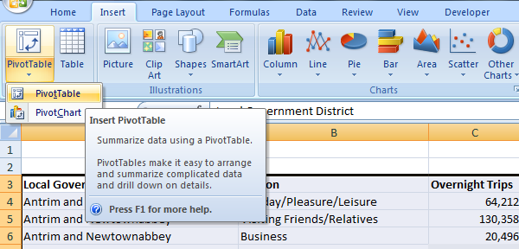

Under the 'Insert' menu the option to Insert PivotTable can be selected by clicking the PivotTable button. The table can be placed into Excel as a New Worksheet.
3.

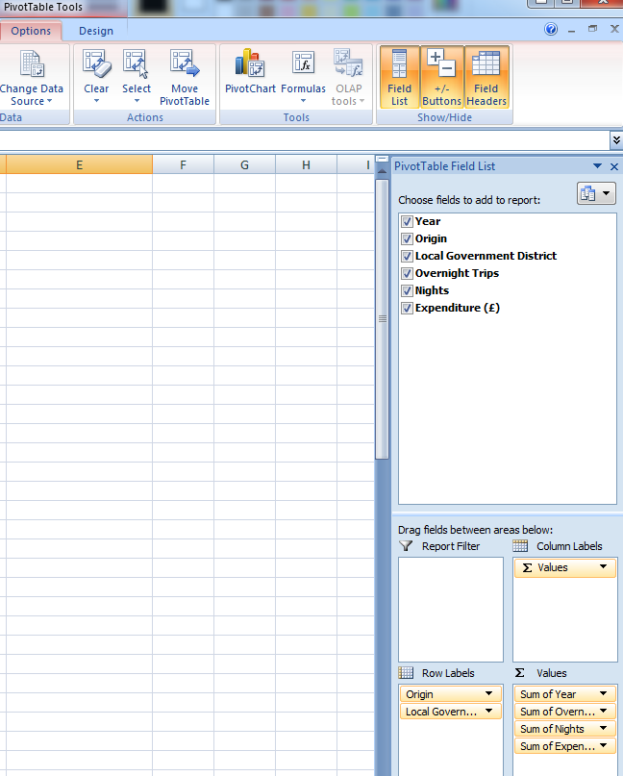

When the new Worksheet opens, PivotTable Tools and Options will be visible.
A PivotTable Field List will also open which can be used to select the data and the format for the pivot table. The field list can be used to customise the table as desired.

Contents Page

